Cross Wind Calculator
Wind vs Heading Graph (no calculations)

 | Plane Heading | 120 |  | X | 0 | 0.86602540378
 | True Air Speed | 95 |  | Y | 0 | -0.5
 | Wind Direction | 220
 | Wind Speed | 20 |  | X1 | 0 | -0.64278760969
 |  |  |  | Y1 | 0 | -0.76604444312

 | Wind Correction Angle:
 | 12.0

RWY Cross wind component (Calculated)

 | Runway (2 digits) | 27 |  | X wind: | 15.3 | KTS
 |  |  |  | H wind: | 12.9 | KTS
 |  |  |  | (negative Head wind = tail wind)
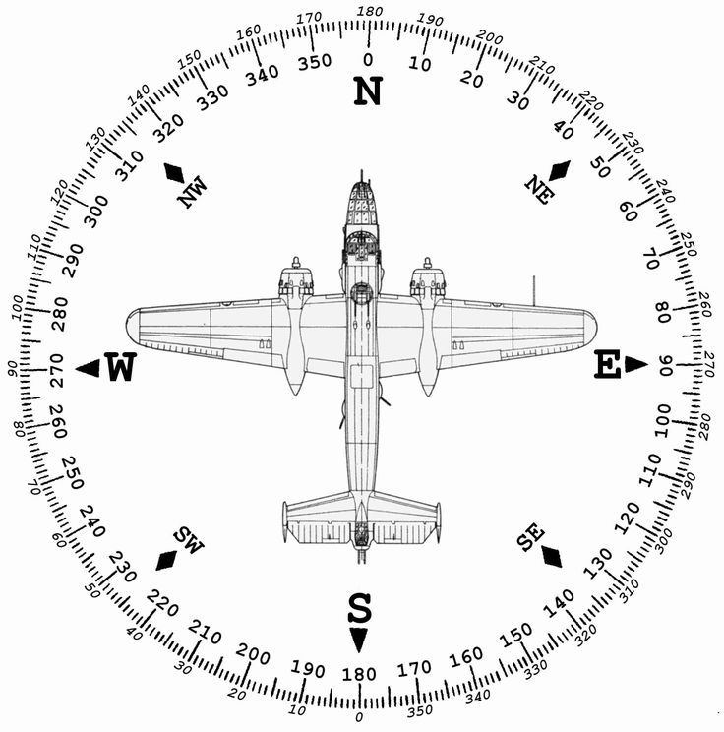
 | x | 1 | -1
 | y | 1.2251484549E-16 | -1.2251484549E-16

Mag Dev Compass Sample
